Foglio1
V (Volt)
Ohm's first law
I (ma) | I (A) | V (V)
0 | 0.0E+00 | 0
0.8 | 8.0E-04 | 1
1.6 | 1.6E-03 | 2
2.4 | 2.4E-03 | 3
3 | 3.0E-03 | 4
4 | 4.0E-03 | 5
5 | 5.0E-03 | 6
5.8 | 5.8E-03 | 7
6.7 | 6.7E-03 | 8
7.6 | 7.6E-03 | 9
8.4 | 8.4E-03 | 10

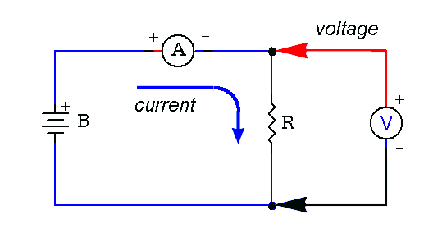

V=1203*I

